Standalone
Print PDF
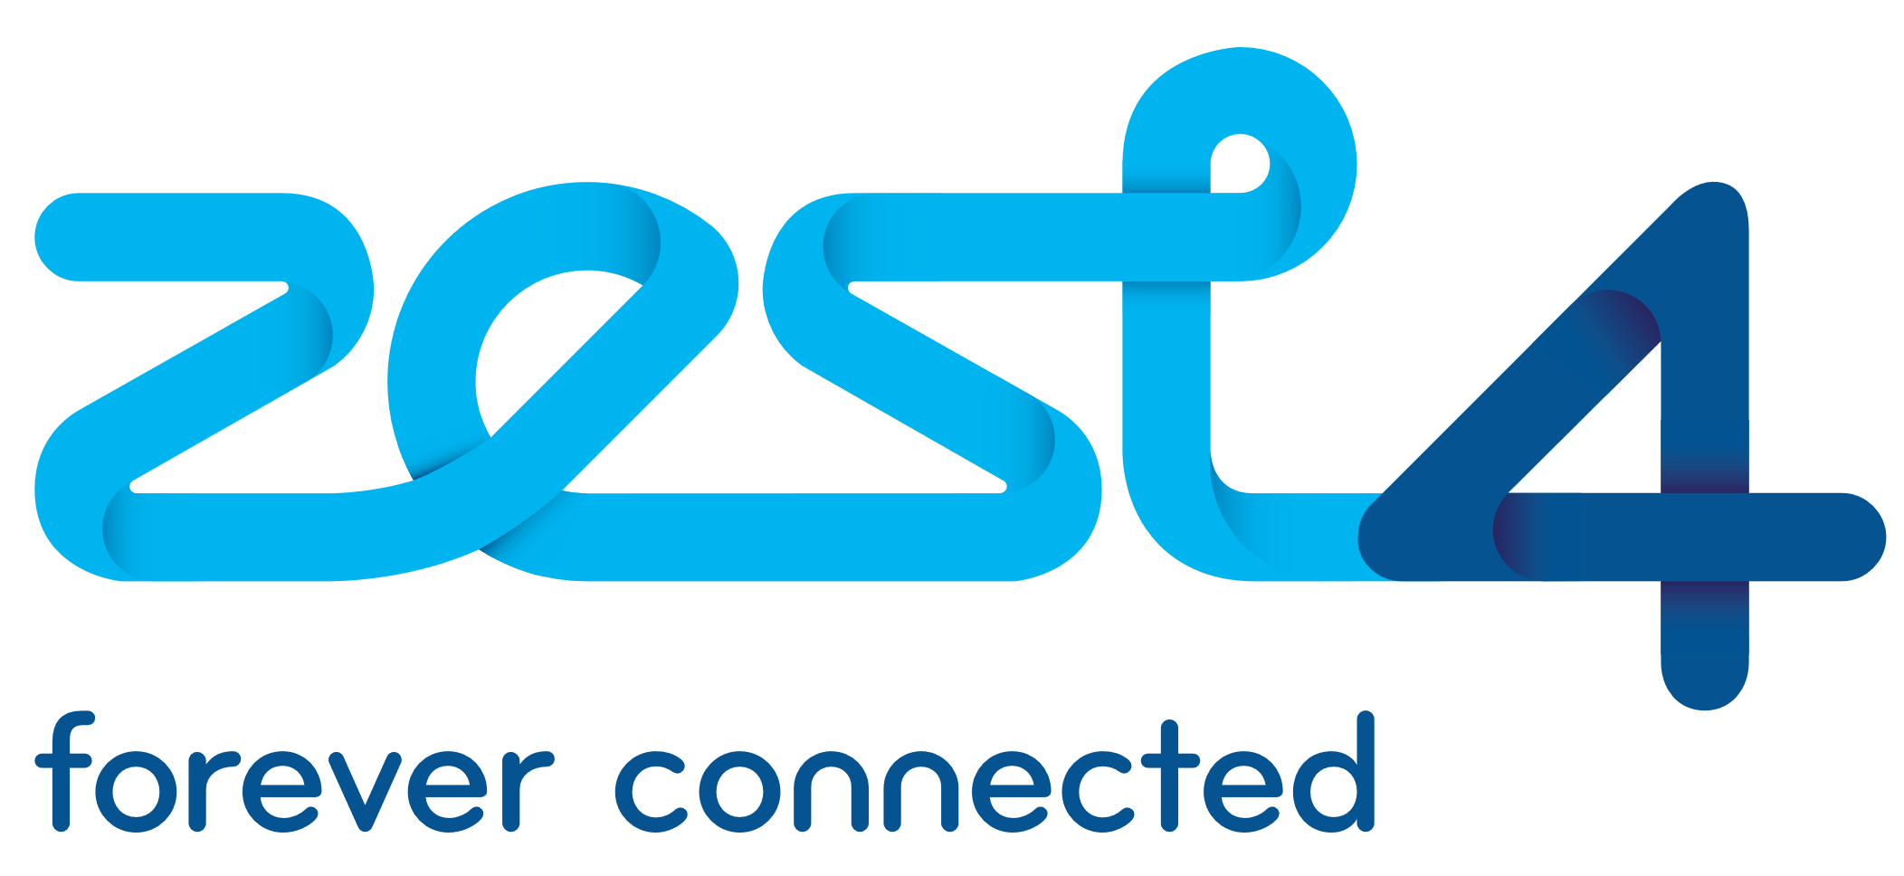

RRP Standalone Order Form v1.1.0

Section One - Partner to Complete

Order Details |  |  | Partner Details |  |  | End User Details (RADAR Admin)
Order Date |  |  | Customer No. |  |  | Company Name
Contract Term / months |  |  | Partner Name |  |  | Name
Warning: Usergroups must contain a minimum of 10 users. Unless ordering additional connections for an existing group, please select more licences. |  |  |  |  |  | Email Address
 |  |  |  |  |  | Telephone No.

Line | Product |  |  |  |  | Quantity | Cost
1
2
3
 |  |  |  |  | Total Monthly Cost |  | £0.00

Section Two - Zest4 to Complete

Purchase Order No. |  |  | Dummy No. (If applicable)

Section Three - Signatures

Zest4 |  |  |  |  | Partner
Name |  |  |  |  | Name
Date |  |  |  |  | Date
Signed |  |  |  |  | Signed

Section Four - Terms and Conditions
These terms and conditions govern your access to and use of the Wandera Services via Zest4. In addition, please read Wandera’s Service Description & End User Agreement for information about our services, and our Privacy Policy for our policies and procedures regarding the collection, use and disclosure of information we receive from users. Such documents, available at www.wandera.com, form part of our Agreement with you. 1. Wandera responsibilities 1.1. Subject to your compliance with this Agreement and your end users’ compliance with the End User Agreement, Wandera grants you a non-exclusive, non-transferable, non-sublicensable, revocable license to download, install and use the executable form of the Wandera software (the ‘Software’) and to make the Software available to your end users. 1.2. As long as you have paid all applicable fees to Zest4 for your subscription, Wandera will continue to: a) provide the Services as ordered by you; b) provide all updates commercially released by Wandera; and c) use its reasonable commercial endeavors to resolve technical problems identified with the Service. Wandera does not provide technical support for any third-party hardware or software. 2. Your responsibilities 2.1. You recognise that information sent to and from your end users will pass through Wandera’s systems and accordingly you undertake to comply (and ensure that your end users comply) with all relevant legislation applicable to use of the Internet. 2.2. Wandera reserves the right, but shall have no obligation, to investigate your use of the Services in order to determine whether a violation of this Agreement has occurred or to comply with any applicable law, regulation, legal process or governmental request. 2.3. You agree to defend, indemnify and hold Wandera, its Affiliates and their respective officers, directors, employees, consultants, and agents harmless from and against any and all claims, liabilities, damages, losses and expenses, including reasonable atto

Severity |  | Definition |  |  |  |  | Response SLT
1 |  | Access to the Wandera service is lost for a substantial number of devices. There requests must be logged via phone to ensure a prompt response |  |  |  |  | 1 Hour

2 |  | One element of the service is unavailable or degraded but the service as a whole remains operational. |  |  |  |  | 2 Hours

3 |  | Any Incident that does not fall under the above two categories or a Service Request (administrative task). |  |  |  |  | 12 Hours

4 |  | A request for information. |  |  |  |  | 24 Hours

7.4. Wandera’s Technical Account Managers ensure effective delivery of the Service including providing any purchased Deployment Services. TAMs are also available for professional services on a time and materials basis. Note that TAM response times are subject to local office hours; incidents should be directed to Wandera Support. 7.5. For data privacy reasons, technical support services can only be provided to RADAR administrators. All employees who will contact Support must therefore have been configured as RADAR administrators by the company’s RADAR Super administrator. In addition, for phone support, callers into Service Desk will be required to identify themselves through specifying their pre-set passphrase which is linked to their RADAR administrator login. Passphrases can be set via email to support@wandera.com. 7.6. Customers can define geographical support areas by electing one of the following options for resolution of Support requests: Global Support – Data can be accessed by Support staff located in either USA or EMEA EMEA-Only Support – Data can be accessed by Support staff located in EMEA only (09:00-18:30 CET, Monday to Friday) 8. Availability Service Level Agreement 8.1. Wandera shall make the Services available in accordance with the service levels specified below:

Target Description |  | Availability Target | Measured | Liquidated damages as a percent of monthly charges allocable for any month in which availability is less than Availability Target

Percentage of time the Services must remain available |  | 99.99% for each Customer | Monthly | 10%

8.2. Wandera shall maintain monitoring logs and tools to measure availability. 8.3. Customer may notify Wandera of any lack of availability (“No Availability Notice”). Wandera shall promptly investigate such claimed lack of availability and shall either (i) provide information satisfactory to Customer that no lack of availability occurred or (ii) at no additional charge to Customer, promptly take such action as may be required to restore availability. 8.4. The parties acknowledge and agree that lack of availability can be detrimental to the Customers’ use of the services. Therefore, Wandera shall issue a credit to the Customer, via Zest4, as liquidated damages and not a penalty, in the amount as defined in the table for the month in which availability was less than the Availability Target specified in the table above. 8.5. The Parties acknowledge and agree that repeated deficiencies in availability can be detrimental to the Customer’s use of the Services. Therefore, if availability for the Customer is less than the Availability Target specified in the table above for any three months in a rolling six month period (a “Chronic Outage”), such Chronic Outage shall be a material breach of service availability and the Customer may, in its sole discretion, (A) terminate the affected order for cause in whole or in part upon written notice to Wandera, or (B) suspend the affected order until such time as the Customer is reasonably satisfied that the Chronic Outage has been remedied by Wandera. 8.6. If Customer believes that Wandera has not met the above Service Level Agreement, Customer must contact Wandera in writing within 10 days after the date on which Customer believes the Service Level Agreement was not met. The remedy referred to here is subject to the Customer having paid all applicable fees and fulfilled all of its obligations under this Agreement. The remedy set out in the table above shall be the Customer’s sole and exclusive remedy in contract, tort or otherwise

with Mobile
Print PDF

RRP with Mobile Order Form v1.1.0

Section One - Partner to Complete

Order Details |  |  | Partner Details |  |  | End User Details (RADAR Admin)
Order Date |  |  | Customer No. |  |  | Company Name
Contract Term / months |  |  | Partner Name |  |  | Name
Warning: Usergroups must contain a minimum of 10 users. Unless ordering additional connections for an existing group, please select more licences. |  |  |  |  |  | Email Address
 |  |  |  |  |  | Telephone No.

Line | Mobile No. |  | Product |  |  |  | Cost
1
2
3
4
5
6
7
8
9
10
11
12
13
14
15
16
17
18
19
20
21
22
23
24
Add 24 Rows
 |  |  |  |  | Total Monthly Cost |  | £0.00

Section Two - Zest4 to Complete

Purchase Order No. |  |  | Dummy No. (If applicable)

Section Three - Signatures

Zest4 |  |  |  |  | Partner
Name |  |  |  |  | Name
Date |  |  |  |  | Date
Signed |  |  |  |  | Signed

Section Four - Terms and Conditions
These terms and conditions govern your access to and use of the Wandera Services via Zest4. In addition, please read Wandera’s Service Description & End User Agreement for information about our services, and our Privacy Policy for our policies and procedures regarding the collection, use and disclosure of information we receive from users. Such documents, available at www.wandera.com, form part of our Agreement with you. 1. Wandera responsibilities 1.1. Subject to your compliance with this Agreement and your end users’ compliance with the End User Agreement, Wandera grants you a non-exclusive, non-transferable, non-sublicensable, revocable license to download, install and use the executable form of the Wandera software (the ‘Software’) and to make the Software available to your end users. 1.2. As long as you have paid all applicable fees to Zest4 for your subscription, Wandera will continue to: a) provide the Services as ordered by you; b) provide all updates commercially released by Wandera; and c) use its reasonable commercial endeavors to resolve technical problems identified with the Service. Wandera does not provide technical support for any third-party hardware or software. 2. Your responsibilities 2.1. You recognise that information sent to and from your end users will pass through Wandera’s systems and accordingly you undertake to comply (and ensure that your end users comply) with all relevant legislation applicable to use of the Internet. 2.2. Wandera reserves the right, but shall have no obligation, to investigate your use of the Services in order to determine whether a violation of this Agreement has occurred or to comply with any applicable law, regulation, legal process or governmental request. 2.3. You agree to defend, indemnify and hold Wandera, its Affiliates and their respective officers, directors, employees, consultants, and agents harmless from and against any and all claims, liabilities, damages, losses and expenses, including reasonable atto

Severity |  | Definition |  |  |  |  | Response SLT
1 |  | Access to the Wandera service is lost for a substantial number of devices. There requests must be logged via phone to ensure a prompt response |  |  |  |  | 1 Hour

2 |  | One element of the service is unavailable or degraded but the service as a whole remains operational. |  |  |  |  | 2 Hours

3 |  | Any Incident that does not fall under the above two categories or a Service Request (administrative task). |  |  |  |  | 12 Hours

4 |  | A request for information. |  |  |  |  | 24 Hours

7.4. Wandera’s Technical Account Managers ensure effective delivery of the Service including providing any purchased Deployment Services. TAMs are also available for professional services on a time and materials basis. Note that TAM response times are subject to local office hours; incidents should be directed to Wandera Support. 7.5. For data privacy reasons, technical support services can only be provided to RADAR administrators. All employees who will contact Support must therefore have been configured as RADAR administrators by the company’s RADAR Super administrator. In addition, for phone support, callers into Service Desk will be required to identify themselves through specifying their pre-set passphrase which is linked to their RADAR administrator login. Passphrases can be set via email to support@wandera.com. 7.6. Customers can define geographical support areas by electing one of the following options for resolution of Support requests: Global Support – Data can be accessed by Support staff located in either USA or EMEA EMEA-Only Support – Data can be accessed by Support staff located in EMEA only (09:00-18:30 CET, Monday to Friday) 8. Availability Service Level Agreement 8.1. Wandera shall make the Services available in accordance with the service levels specified below:

Target Description |  | Availability Target | Measured | Liquidated damages as a percent of monthly charges allocable for any month in which availability is less than Availability Target

Percentage of time the Services must remain available |  | 99.99% for each Customer | Monthly | 10%

8.2. Wandera shall maintain monitoring logs and tools to measure availability. 8.3. Customer may notify Wandera of any lack of availability (“No Availability Notice”). Wandera shall promptly investigate such claimed lack of availability and shall either (i) provide information satisfactory to Customer that no lack of availability occurred or (ii) at no additional charge to Customer, promptly take such action as may be required to restore availability. 8.4. The parties acknowledge and agree that lack of availability can be detrimental to the Customers’ use of the services. Therefore, Wandera shall issue a credit to the Customer, via Zest4, as liquidated damages and not a penalty, in the amount as defined in the table for the month in which availability was less than the Availability Target specified in the table above. 8.5. The Parties acknowledge and agree that repeated deficiencies in availability can be detrimental to the Customer’s use of the Services. Therefore, if availability for the Customer is less than the Availability Target specified in the table above for any three months in a rolling six month period (a “Chronic Outage”), such Chronic Outage shall be a material breach of service availability and the Customer may, in its sole discretion, (A) terminate the affected order for cause in whole or in part upon written notice to Wandera, or (B) suspend the affected order until such time as the Customer is reasonably satisfied that the Chronic Outage has been remedied by Wandera. 8.6. If Customer believes that Wandera has not met the above Service Level Agreement, Customer must contact Wandera in writing within 10 days after the date on which Customer believes the Service Level Agreement was not met. The remedy referred to here is subject to the Customer having paid all applicable fees and fulfilled all of its obligations under this Agreement. The remedy set out in the table above shall be the Customer’s sole and exclusive remedy in contract, tort or otherwise

